1. Title Page
[Yearly Analysis 2025]

Project Name: Instacart Grocery Basket Analysis
Date: 24rd March 2025
Analyst Name: Bisola Oyeyipo

Contents:
Population Flow
Consistency checks
Wrangling steps
Column derivations
Visualizations
Recommendations

 | Data Source: “The Instacart Online Grocery Shopping Dataset 2017”, Accessed from www.instacart.com/datasets/grocery-shopping-2017 via Kaggle on 10.28.2024.

2. Population Flow
Title page

Population flow
Customers - original data
Total: 206,209
Customers - after consistency checks
Total:206,209

Exclusion flag
Condition: max_order <
Obervations to be removed:
Final total count of order_products_all:

key: product_id
key: user_id
key: order_id

Orders_products_combined
Orders_products_merged
Orders_products_all

Total: 32404859
Total:32434489
Total:32404859

1.) The grey boxes in the first row of the population flow represent the original data sets as they were when you downloaded them. In the Total fields you need to add the count of the rows when you imported the data set into Jupyter.
2.) The second row of boxes (coloured) represents the data sets after you manipulated them, e.g., removed missing values and duplicates. In the Total fields you need to add the count of the rows after conducting these operations. This offers a visual oveview of how the data flows throughout the data consistency checks.
3.) The third row, where also the arrows are coloured, represents the merges you performed between the datasets. In the Total fields you need to add the count of the rows in the merged datasets, so that you end up with the final dataset (in the red box). Keep in mind the final dataset should be without exclusions (based on the exclusion flag).

3. Consistency checks
 |  |  |  | Title page
Consistency checks

Dataset | Missing values | Missing values treatment | Duplicates
orders | 206,209 in the 'days_since_prior_order' column |  | No duplicates
products | 16 mising product_names | Deleted the missing rows
orders_products_prior | No missing values | none | No duplicates
customers | No missing values | none | No duplicates
Department

4. Wrangling steps
 |  |  |  | Title page
Wrangling steps

Columns dropped | Columns renamed | Columns' type changed | Comment/Reason
eval_set |  |  | The column is not useful for the analysis
unnamed 0
_merged
 | order_dow to orders_day_of_week
 | First Name to first_name
 | Surnam to last_name

5. Column derivations
 |  |  |  | Title page

Column derivations and aggregations

In this tab you should add tables below that the frequences of flags/label variables that you produced after deriving them. NB: don't do this for continuous variables, only for flags.
Dataset | New column | Column/s it was derived from | Conditions
ords_prods_merge | busiest_day | order_day_of_week | for value in ords_prods_merge["orders_day_of_week"]: if value == 0: result.append("Busiest day") elif value == 4: result.append("Least busy") else: result.append("Regularly busy")
ords_prods_merge | busiest_days | order_day_of_week
ords_prods_merge | loyalty flag
ords_prods_merge | price_range | price | df.loc[df['prices'] > 15, 'price_range_loc'] = 'High-range product',df.loc[(df['prices'] <= 15) & (df['prices'] > 5), 'price_range_loc'] = 'Mid-range product',df.loc[df['prices'] <= 5, 'price_range_loc'] = 'Low-range product',
ords_prods_merge | price_range | price | df.loc[df['prices'] > 15, 'price_range_loc'] = 'High-range product',df.loc[(df['prices'] <= 15) & (df['prices'] > 5), 'price_range_loc'] = 'Mid-range product',df.loc[df['prices'] <= 5, 'price_range_loc'] = 'Low-range product',
ords_prods_merge | busiest_days | order_of _the_week | for value in ords_prods_merge["orders_day_of_week"]: if value == 0 or value == 1: result.append("Busiest days") elif value == 3 or value == 4: result.append("Slowest days") else: result.append("Regularly busy")
ords_prods_merge | busiest_hour | order hour of the day | busiest_hour = [] for value in ords_prods_merge["order_hour_of_day"]: if value in [10, 11, 14, 15, 13, 12, 16, 9]: busiest_hour.append("Most orders") elif value in [23, 6, 0, 1, 5, 2, 4, 3]: busiest_hour.append("Fewest orders") else: busiest_hour.append("Average orders")
ords_prods_merge | loyalty flag | max_order | ords_prods_merge.loc[ords_prods_merge['max_order'] > 40, 'loyalty_flag'] = 'Loyal customer' ords_prods_merge.loc[(ords_prods_merge['max_order'] <= 40) & (ords_prods_merge['max_order'] > 10), 'loyalty_flag'] = 'Regular customer' ords_prods_merge.loc[ords_prods_merge['max_order'] <= 10, 'loyalty_flag'] = 'New customer'
ords_prods_merge | spender_flag | average_spend | ords_prods_merge.loc[ords_prods_merge['average_spend'] < 10, 'spender_flag'] = 'Low_spender' ords_prods_merge.loc[ords_prods_merge['average_spend'] >= 10, 'spender_flag'] = 'High_spender'
ords_prods_merge | customer_regularity | days_since_prior_order | ords_prods_merge['customer_regularity'] = ords_prods_merge.groupby(['user_id'])['days_since_prior_order'].transform(np.median)
ords_prods_merge | frequency_flag | customer_regularity | ords_prods_merge.loc[ords_prods_merge['customer_regularity'] > 20, 'frequency_flag'] = 'Non_frequent_customer' ords_prods_merge.loc[(ords_prods_merge['customer_regularity'] > 10) & (ords_prods_merge['customer_regularity'] <= 20),'frequency_flag'] = 'Regular customer' ords_prods_merge.loc[ords_prods_merge['customer_regularity'] <= 10, 'frequency_flag'] = 'Frequent Customer'

6. Visualizations
Visualisations

In this tab you should include all the visualtions from Exercises 4.9 and 4.10, alongside the questions from the project brief that they answer. Include any commentary on the relationship between different variables.

 | Key Question
 | What are the busiest days of the week and hours of the day?
 | Answers: The busiest order hour of the day is between 9am - 4pm but 10am - 11am is the peak of the busiest order hour. Saturday and Sunday are the busiest order days of the week.




2 | Key Question: Are there particular times of day when people spend the most money?

 | Answer: Sales are higher by weekends and the particular time of the day that the sales seems higher are in the morning but in small variation.

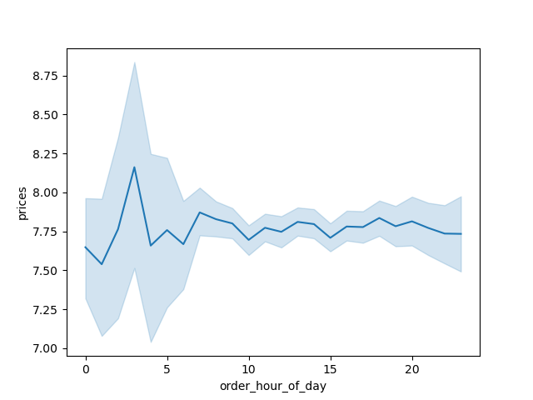
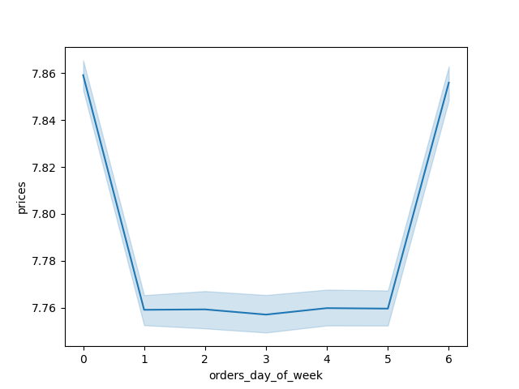

 | Question 3: Are there certain products that are more popular than others?

 | Answer:

7. Recommendations
 |  | Title page

Recommendations

In this tab you should include any recommendations you would made to Instcart in terms of their marketing strategy based on the questions posed in the brief. Every key question has been covered in the Tasks of the Exercises - here you need to add an item - a visualisation or table/crosstable that is showing the answer in the data, acompanied by a comment from you. Please, list the questions below and add the answer underneath.

Question | Answer
Key Question 1
Key Question 2
Key Question 3
Key Question 4
Key Question 5
Key Question 6
Key Question 7

